Plan1

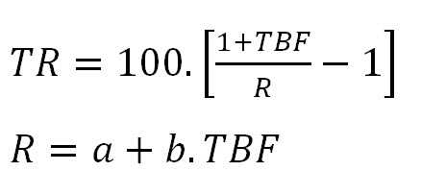
TBF | 0.010768
a | 1.005
b | 0.32
R | 1.00844576
R 4 casas | 1.0084
TR | 0.2348%

